RGB to HSL
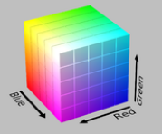
RED | R | 108 | 108
GREEN | G | 110 | 110
BLUE | B | 113 | 113

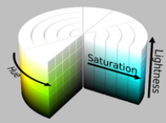
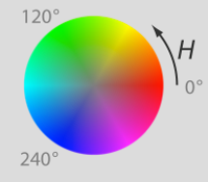
HUE | H | 216.00
SATURATION | S | 2.26%
LIGHTNESS | L | 43.33%

Intuition
Hue: | Pure color that whites and blacks are added to to make end result. Source Color.
Saturation: | Hue signal over base grey signal(max-min) /overall min sig from black or white.
Lightness: | Middle tone doesn't affect luminosity. Average of high and low determine brightness.

